BUG_TC_REG_001
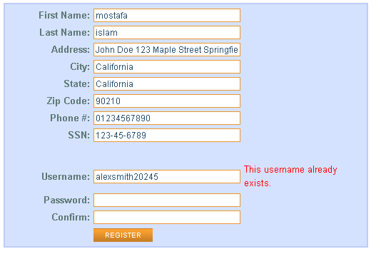
Category | Label | Value
Bug ID | ID number | BUG_TS_regester_001
 | Name | can't register
 | Reporter | mostafa isalm
 | Submit Date | 15/10/2024
 | TC ID | TC_REG
Bug overview | Summary
 | URL | https://parabank.parasoft.com/parabank/register.htm
 | Screenshot (Evidence) | Attached in excell sheet
Environment | Platform | lenovo ideapad 110
 | Operating System | Windows10
 | Browser | Chrome Version 129.0.6668.101 (Official Build) (64-bit)
Bug details | Steps to reproduce | Simplified steps for the testcase
 | Expected result | register successful and redirect to the main page
 | Actual result | the website can't register because the web site don't accebt new User name and refuse to register
 | Description | the website can't register because the web site don't accebt new User name and refuse to register
Bug tracking | Severity (Critical - Major -Minor) | Critical
 | Assigned to | Developer
 | Priority(High - Medium - Low) | High
Notes | Notes

